Mind Map
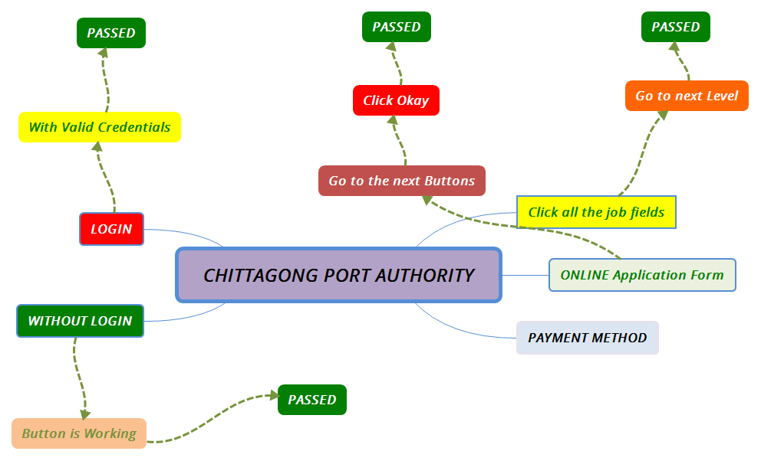
CHITTAGONG PORT AUTHORITY Mind Map

Test Case Report
 |  |  |  |  |  | CHITTAGONG PORT AUTHORITY TEST CASE REPORT
Test Case Report |  |  |  |  |  |  | Total No. | Status
Project Name | CHITTAGONG PORT AUTHORITY |  |  |  |  |  | 14 | PASS
Module Name | Job Selection & Online Application Form |  |  |  |  |  | 0 | FAIL
Test Case Version | Version-01 |  |  |  |  |  | 0 | Not Executed
Written By | Mst. Khadheza Sultana Erani |  |  |  |  |  | 0 | Out of Scope
Executed By | Mst. Khadheza Sultana Erani
Test Case Report
Reviewed By | Mst. Khadheza Sultana Erani
TEST EXECUTION REPORT

Test Case | PASS | FAIL | Not Executed | Out Of Scope | Total TC
 | 14 | 0 | 0 | 0 | 14
Grand Total | 14 | 0 | 0 | 0 | 14

